Apiary Products - 2001
PRODUCT | YEAR | TOTAL PRODUCTION | UNIT | UNIT VALUE | TOTAL VALUE
Honey | 2001 | 4,335,000 | Lb | $ 0.67 | $ 2,904,000
 | 2000 | 4,470,000 | Lb | 0.58 | 2,593,000
Beeswax | 2001 | 542,000 | Lb | 1.00 | 542,000
 | 2000 | 559,000 | Lb | 1.33 | 743,000
Pollination | 2001 | 279,000 | Colony | 45.30 | 12,627,000
 | *2000 | 192,000 | Colony | 42.50 | 8,157,000
Other Apiary | 2001 | --- | --- | --- | 220,000
Products | 2000 | --- | --- | --- | 238,000
TOTALS | 2001 | --- | --- | --- | $16,293,000
 | *2000 | --- | --- | --- | 11,731,000

*Revised

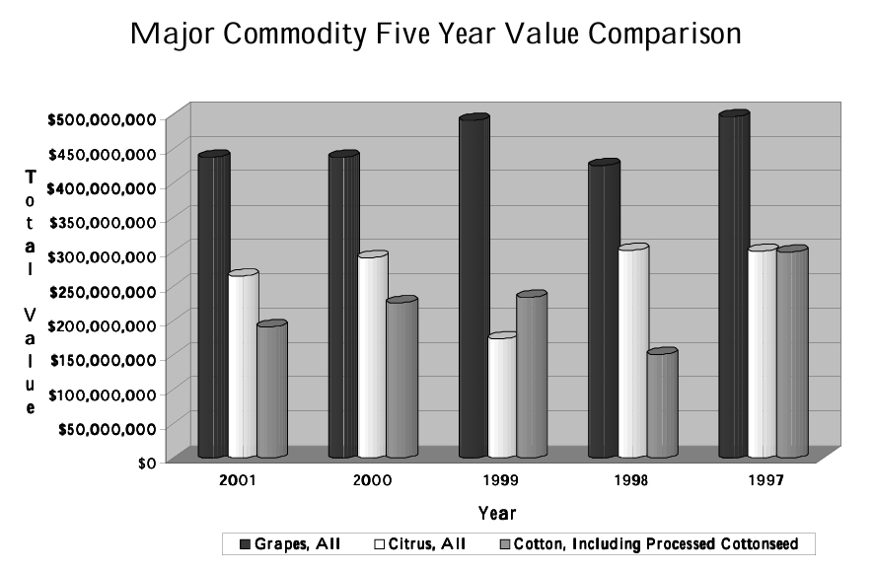

Summary - 2001
COMMODITY | YEAR | HARVESTED ACRES | RANGE | TOTAL VALUE
Fruit and Nut Crops | 2001 | 279,102 | --- | $1,035,567,000
 | *2000 | 254,176 | --- | $1,082,079,000
Field Crops and Rangeland | 2001 | 511,875 | 1,959,000 | $428,252,000
 | *2000 | 515,701 | 1,963,000 | $415,063,000
Vegetable Crops | 2001 | 85,168 | --- | $352,867,600
 | *2000 | 91,521 | --- | $334,161,100
Nursery Crops | 2001 | 4,271 | --- | $114,598,600
 | *2000 | 3,440 | --- | $106,234,800
Industrial and Wood Crops | 2001 | --- | --- | $12,971,000
 | 2000 | --- | --- | $12,369,000
Seed Crops | 2001 | 2,173 | --- | $6,992,000
 | *2000 | 3,792 | --- | $7,248,000
Livestock and Poultry | 2001 | --- | --- | $67,495,000
 | 2000 | --- | --- | $69,688,000
Livestock and Poultry Products | 2001 | --- | --- | $220,657,000
 | 2000 | --- | --- | $170,876,000
Apiary Products | 2001 | --- | --- | $16,293,000
 | *2000 | --- | --- | $11,731,000
TOTALS | 2001 | 882,589 | 1,959,000 | $2,255,693,200
 | *2000 | 868,630 | 1,963,000 | $2,209,449,900
Total value without timber | 2001 |  |  | $2,254,306,200
 | *2000 |  |  | $2,208,417,900

