Geographic Information
 |  | GEOGRAPHIC INFORMATION

The Kern County Agricultural Commissioners Office is participating in the statewide implementation or a Geographic Information System (GIS) for agriculture. A GIS is acomputerized mapping and spatial analysis program that goes beyond the usual query and examination tools available to database managers. A GIS combines data about a geographic location with rererence to that exact location on the Earth. Using a grid system, the described location is visualized on a map and data about that location analyzed and displayed. What makes this system unique is the relationship between the geography and the Earth itself. Every point on the planet Is uniquely Identified In a GIS so that no two roads, houses, or fields canoccupy the same ground. This identification system provides the link between data that have been collected about a feature and the feature as it exists on the Earth.

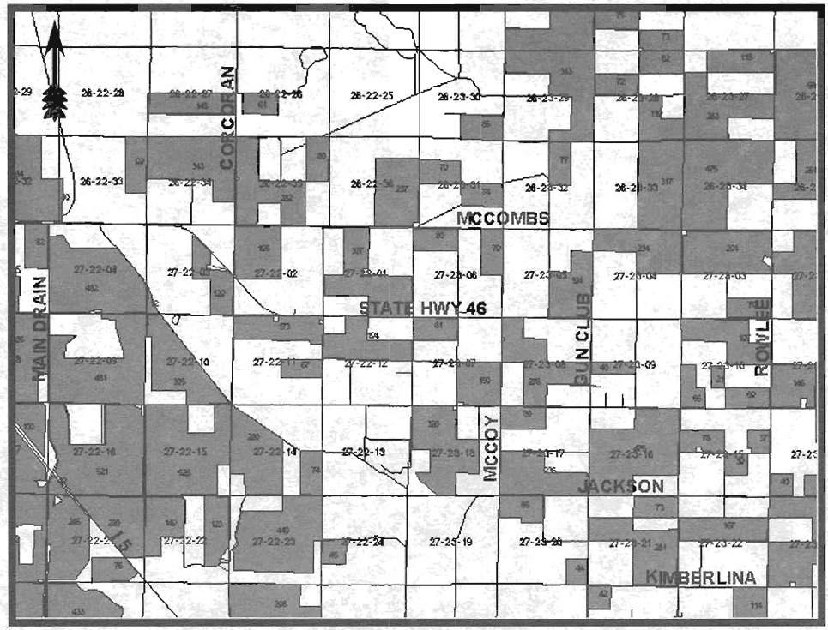

Figure 1. A portion of the Kern County 1996 cotton acreage is shown here. The cotton fields overlay a commercial road database and a digitized township, range, section map ( Cotton fields and sections provided by the Cooperative Pink Bollworm Project).

 | SYSTEM AND AGRICULTURE

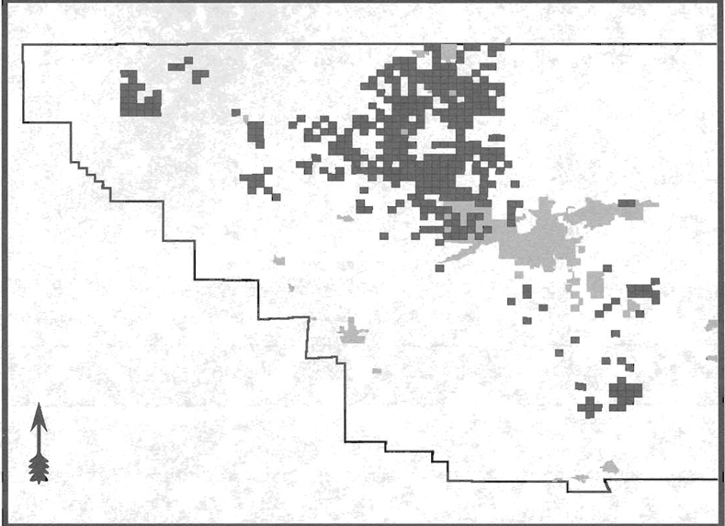

 | Figure 2. Kern County 1996 almond acreage is shown here as an example of basic GIS technology. Each square represents a one miles section containing one to 640 acres of almonds. Shaded areas of the map represent populated regions.

 | Agriculture, due to its geographic base and widespread use of maps, is a logical application for this technology. By combining actual images of the area with a digital road map and other information, individual fields are mapped. Once this has been completed, cropping patterns, yields, water usage, chemical applications, and pest/ disease informatlon can be visualized at the field level. A GIS allows for the rapid and precise display of information in a format not possible in the past. The old saying "a picture is worth a thousand words," truly applies in this application of modern computer technology.

Apiary Products - 1996
PRODUCT | YEAR | TOTAL PRODUCTION | UNIT | UNIT VALUE | TOTAL VALUE
Honey | 1996 | 4,394,000 | Lb | $0.84 | $3,691,000
 | 1995 | 5,614,000 | Lb | $0.65 | $3,649,000
Beeswax | 1996 | 549,000 | Lb | $2.50 | $1,373,000
 | 1995 | 702,000 | Lb | $1.85 | $1,298,000
Pollination | 1996 | 170,000 | Colony | $33.20 | $5,647,000
 | 1995 | 158,000 | Colony | $33.30 | $5,261,000
Other Apiary | 1996 | --- | --- | --- | $197,000
Products | 1995 | --- | --- | --- | $213,000
TOTALS | 1996 | --- | --- | --- | $10,908,000
 | 1995 | --- | --- | --- | $10,421,000

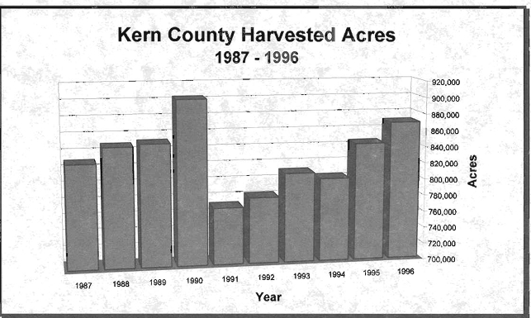

Charts
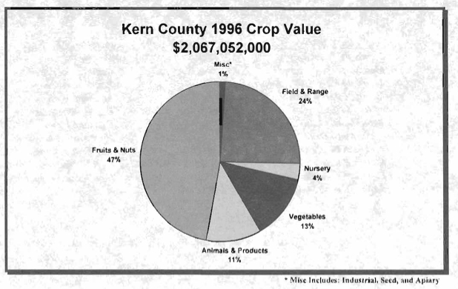

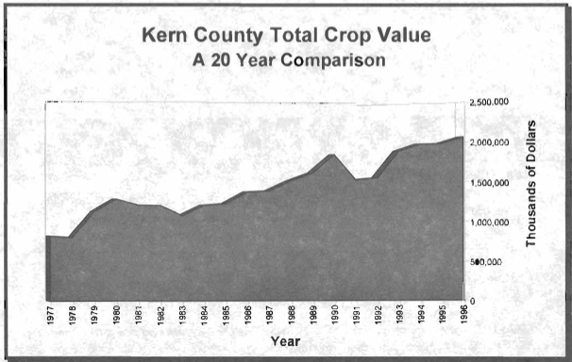

Kern County Dairy Production
 | KERN COUNTY DAIRY PRODUCTION

With total value approaching 3 billion dollars in 1995, California's Milk and Cream production ranks as this state's number one crop. The eight counties in the San Joaquin Valley District produce more milk than all of the other seven districts in the state combined. After a period of slow growth in Kern County the dairy industry is once again moving into this area. With more new dairies planned in the near future, watch for Milk and Cream to play an even greater role in Kern County's agricultural production and value than it has in the past.

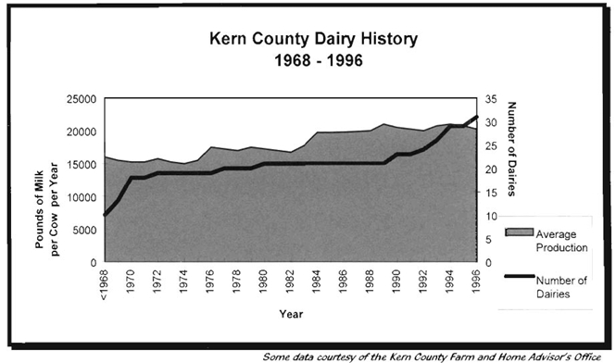

 |  | WORLD WIDE WEB

Visit the Kern County Agricultural Commissioner's Office Home Page on the Internet. Our site offers department facts, export certification information, current news releases, Kern County crop reports, and links to other useful agriculture related sites.

 |  | Our WWW address is http:// www:netxn.com/~ agcom 15/ Our e-mail address is agcom15@chiba.netxn.com

