Charts for Exports Summary 1995
FY 1994-95 Kern County Export Summary

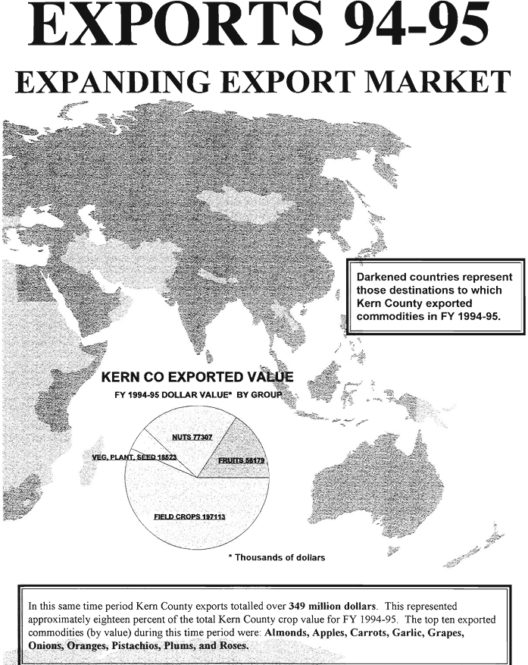
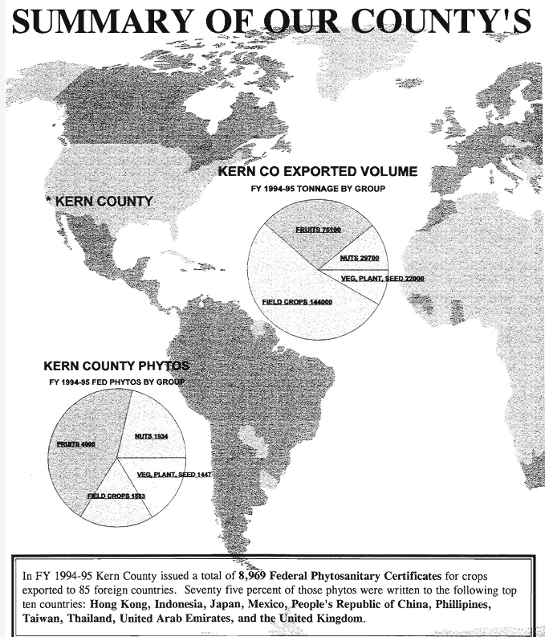

Apiary Products - 1995
PRODUCT | YEAR | TOTAL PRODUCTION | UNIT | UNIT VALUE | TOTAL VALUE
Honey | 1995 | 5,614,000 | Lb | $0.65 | $3,649,000
 | 1994* | 2,996,000 | Lb | $0.50 | $1,498,000
Beeswax | 1995 | 702,000 | Lb | $1.85 | $1,298,000
 | 1994* | 375,000 | Lb | $1.25 | $506,000
Pollination | 1995 | 158,000 | Colony | $33.30 | $5,261,000
 | 1994 | 168,000 | Colony | $31.10 | $5,218,000
Other Apiary | 1995 | --- | --- | --- | $213,000
Products | 1994 | --- | --- | --- | $245,000
TOTALS | 1995 | --- | --- | --- | $10,420,000
 | 1994* | --- | --- | --- | $7,467,000

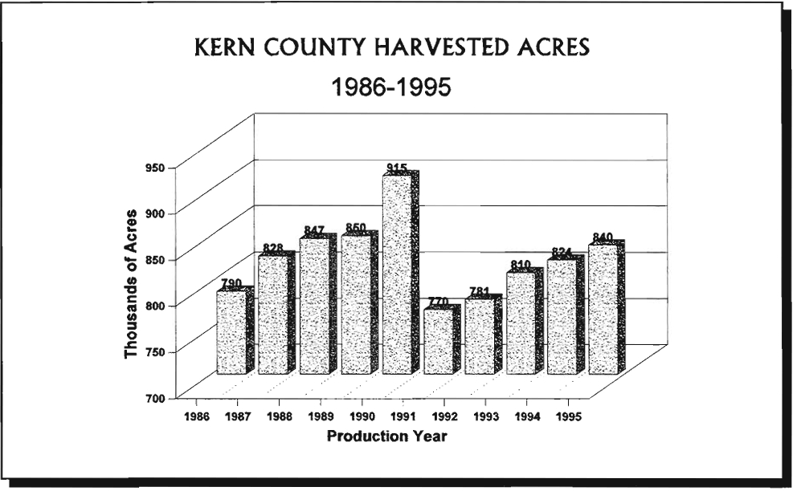

Charts - 1995
1995 Kern County Crop Value - Pie Chart

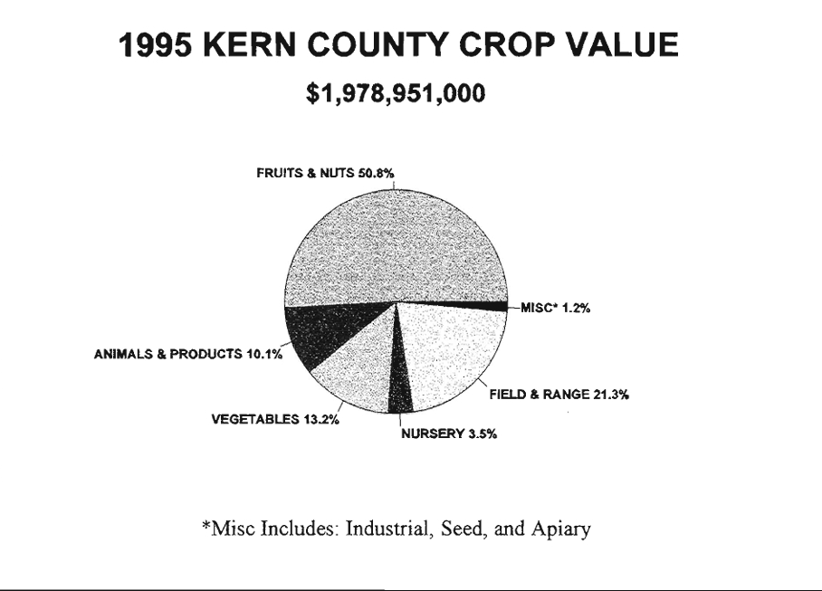

Kern County Total Crop Value - A Twenty Year Comparison - Line Graph

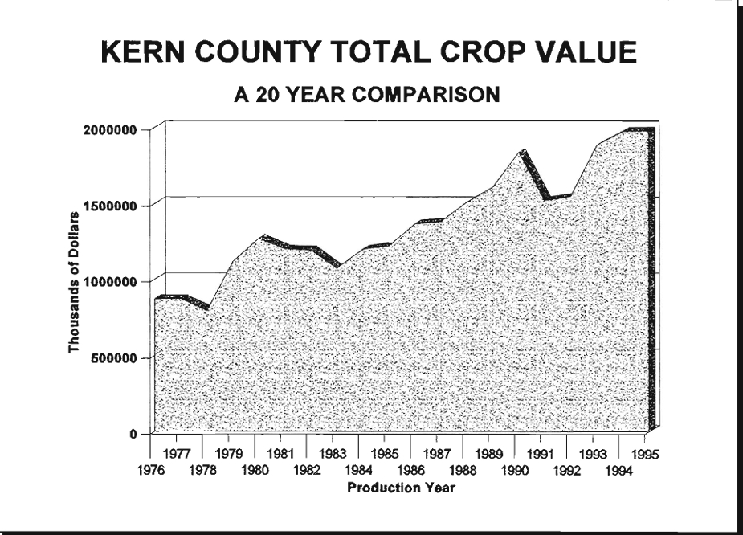

Ostrich Production
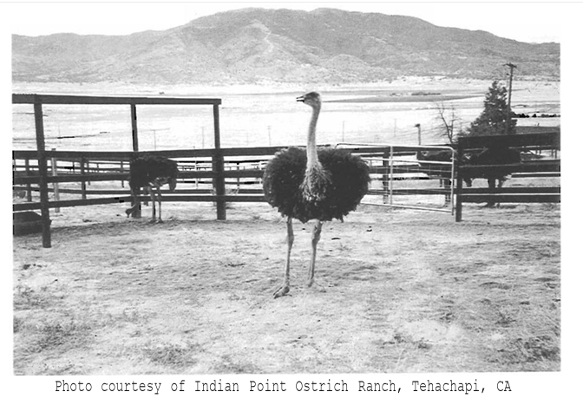

With sales approaching one million dollars in 1995, Kern County ostrich farming appears to be here to stay. The Golden State currently ranks third in ostrich production, only the African continent and the state of Texas are producing more ostriches than California. The Kern County Crop Report has reported ostrich information since 1991. The local industry has grown tremendously since that time, and the market for ostrich products has shown a steady increase since this latest wave started in the mid 1980's. With over 2,600 birds sold from Kern County ranches in 1995, today's ostrich production is a far cry from the single ostrich ranch located near Arvin in the 1920's. Breeding stock was even exported to Asia from this area in 1995. Along with the feathers and hide, today's ostriches are being raised for their USDA approved red meat. The tax code was recently amended, and ostriches are now classified as poultry. As inventories grow and the number of birds going to slaughter increases, "the other red meat" should be more easily obtained nation-wide.

