1994 Kern County Fair
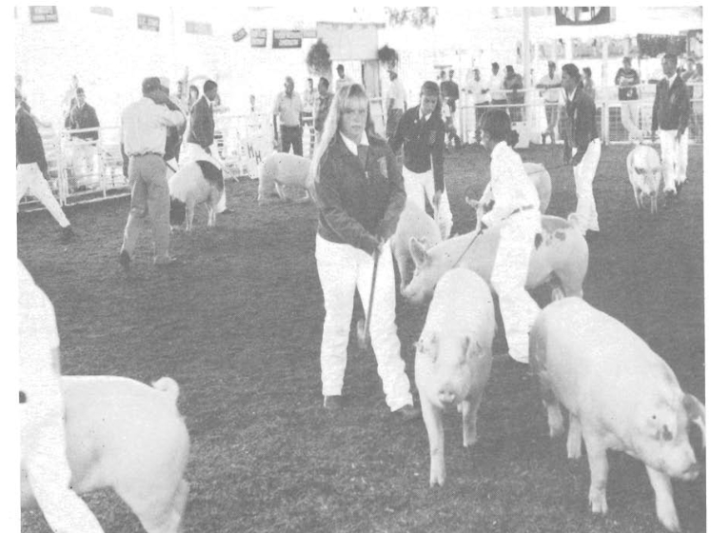
1994 Kern County Fair Jr. Livestock Auction

The southern San Joaquin valley proudly displays its deep agricultural roots at the annual Kern County Fair. Held each fall in Bakersfield, this event truly represents our culture and heritage as a farming community. The importance of livestock to our way of life is mirrored in the many animal related shows and auctions held each year during the fair. The swine auction is considered one of the largest of its kind in the country, attracting 495 entrants in 1994. Last year 1,562 Kern County boys and girls exhibited more than 3,600 animals at various fair related events. The junior livestock auctions represented the culmination of months of hard work as bidders vied for the animals so well cared for by the entrants. Most of the participants in the livestock show and sale belong to the Future Farmers of America(FFA) or to a local 4-H chapter. The national FFA organized in 1928 with 33 delegates. Today, Kern County alone is represented by 17 local chapters. The FFA's primary aim is the "development of agricultural leadership, cooperation, and citizenship," according to their handbook. This year's Kern County Fair included over 400 entrants from local FFA chapters. 4-H (the four H's stand for head, heart, hands, and health) participation in Kern County totals over 1,200 members in 51 clubs. The 4-H organization strives to "help youth develop into responsible, self... directed, productive citizens of the world," according to their handbook. 4-H began including livestock care as projects over 75 years ago. Kern County chapters sent 776 boys and girls to the 1994 fair with animals to show and/or sell. Local Junior Farmer's and independents also participated in the 1994 livestock auction, sending 349 entrants to the fair in 1994. Through these programs our youth learn valuable, real life lessons which cannot be duplicated in the classroom. Caring for animals reminds the children of our local heritage and agricultural history, while at the same time teaching responsibility and

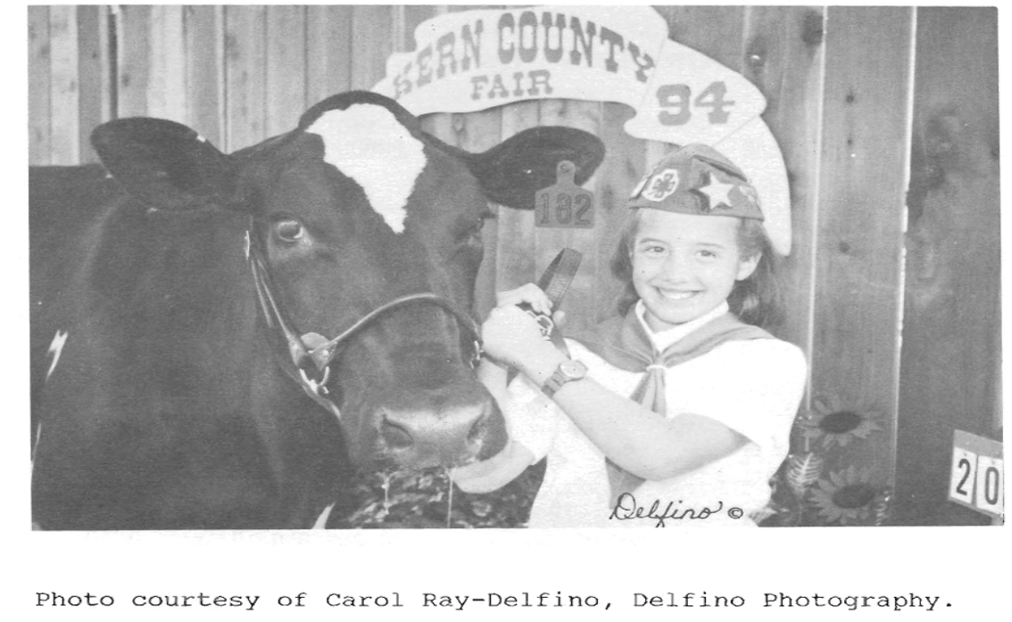

Charts - 1994
1994 Kern County Crop Value - Pie Chart | Kern County's Share of California Production - Bar Graph

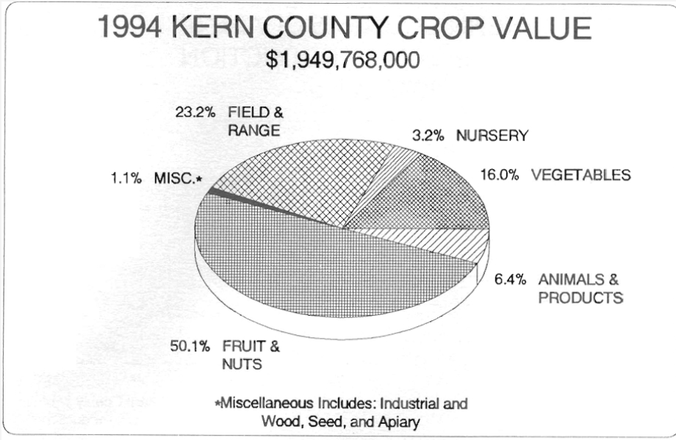
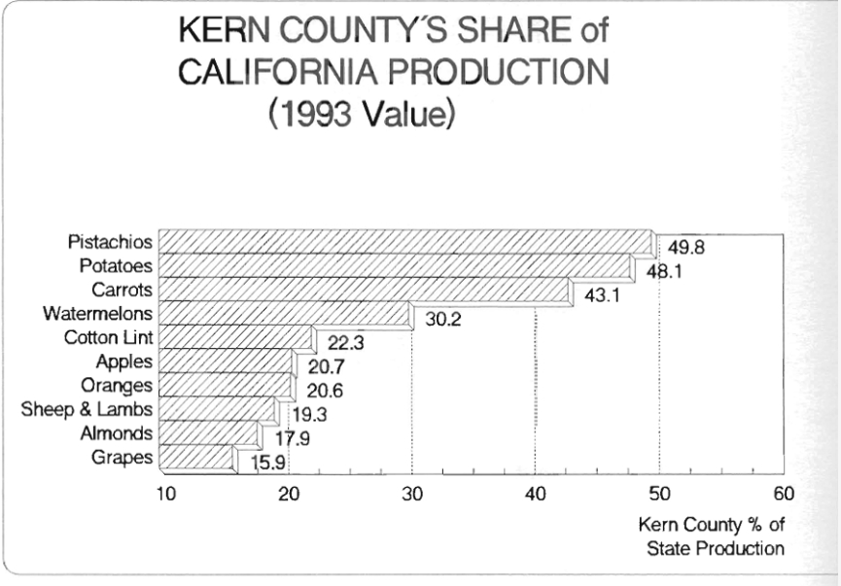

Kern County Harvested Acres 1985-1994 - Bar Graph

 | Kern County Total Crop Value - A Twenty Year Comparison - Line Graph

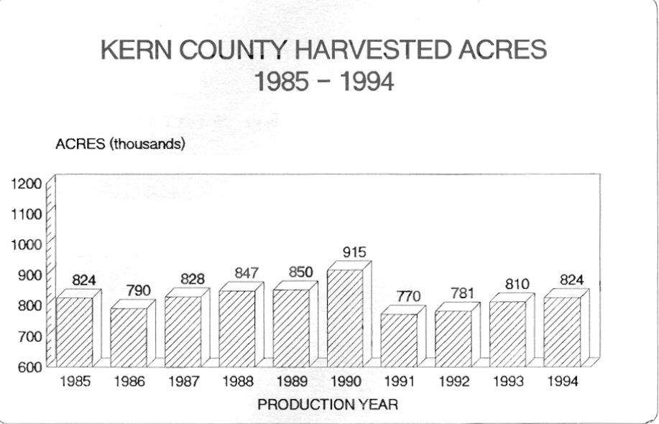
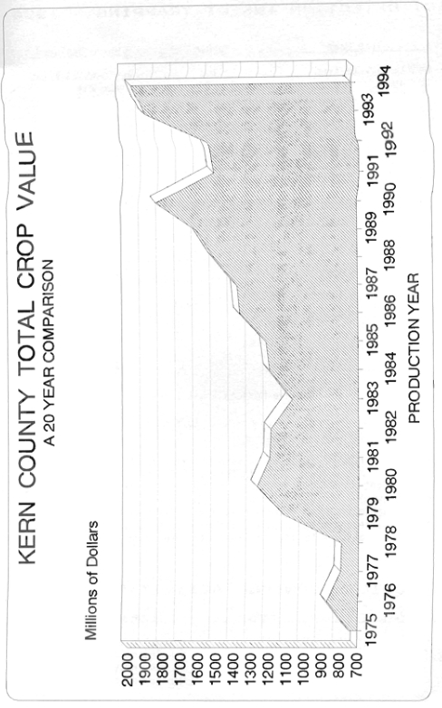

Dr. David Daound
Dr. David Daoud 1939 - 1994

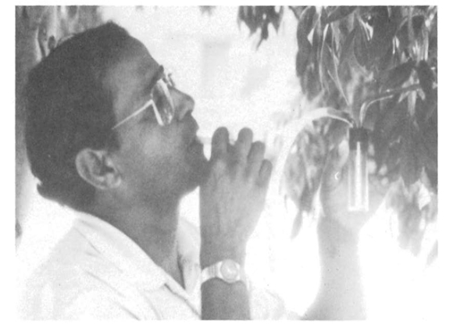

The 1994 Kern County Crop Report is dedicated to Dr. David Daoud. David's dedication to agriculture and his professionalism as the Kern County Staff Biologist are missed. David was instrumental in battling the Ash Whitefly and worked with state and federal officials to control the Silverleaf Whitefly. In addition to working on whiteflies, David supervised the County's Exotic Pest Detection Trapping Program and was also involved in several biological control programs throughout the county. He was a recognized expert on the Pink Bollworm and Africanized honeybee. David loved children and Entomology. He combined his good natured personality with his professional background to help children learn about bugs. Thousands of children attending the Kern County Farm Day would sit poised on his every word as he explained about the medfly, honeybees, and beneficial insects. David immigrated to the United States in 1975. He held undergraduate degrees from the University of Cairo and earned a Doctorate in Biology from the Czechoslovak Academy of Science in Prague. He began working for the County in 1978. David's passing is a great loss to Kern County agriculture. His contributions will continue to benefit agriculture far into the future.

